Sheet1
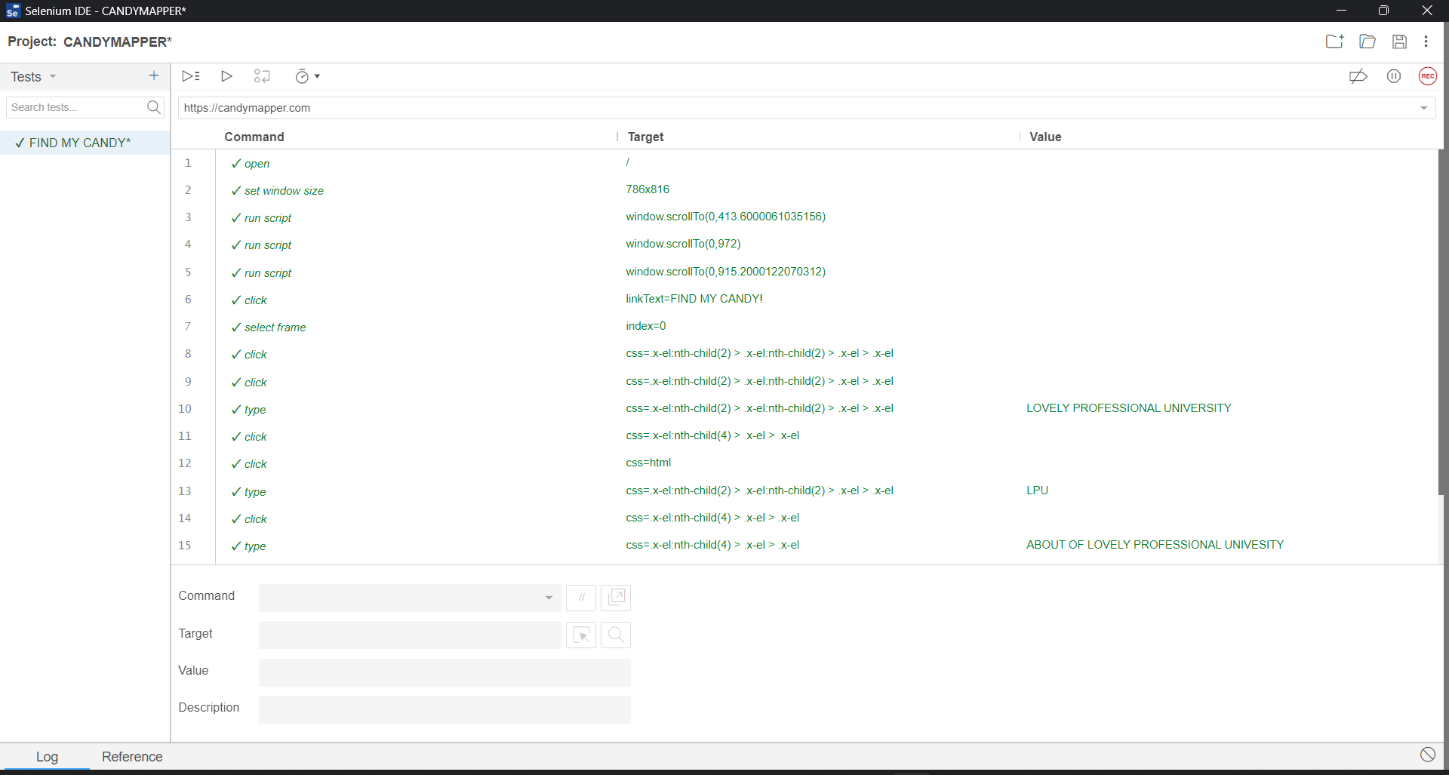
SELENIUM-TEST

PROJECT NAME: - WWW.CANDYMAPPER.COM SOFTWARE TESTING WITH SELENIUM IDE |  |  |  |  |  |  | TEST_CASE_COUNT: - 05
CREATION DATE: - 05/12/2022 |  |  |  |  |  |  | PASS: - 05
PREPARED BY: - Ekhlakh Ahmad ROLL NO.: - RD2215B67 Reg. No. 12209166 |  |  |  |  |  |  | FAIL: - 00
EXECUTED BY: - Ekhlakh Ahmad |  |  |  |  |  |  | REVIEWED BY: - Ms. ADITI SHARMA

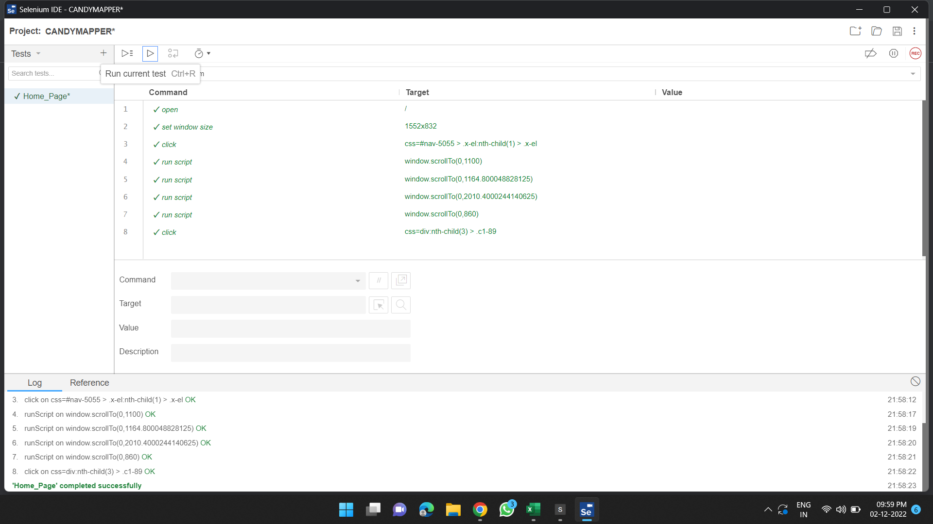
SL. NO. | TEST_CASE_ID | TEST CASE NAME | OBJECTIVE | PRE CONDITION | STEPS TO BE FOLLOWED | TEST DATA | EXPECTED RESULT | ACTUAL RESULT | STATUS PASS/FAIL
1 | Case_001 | Home Page | To Check Website Through URL, open or Not | Browser, Internet, Website must be working condition | 1. Type website URL in a browser 2. Then press Enter key. | https://candymapper.com/simcaptcha | It must open the website and display home page | As per expected result | Pass

SL. NO. | TEST_CASE_ID | TEST CASE NAME | OBJECTIVE | PRE CONDITION | STEPS TO BE FOLLOWED | TEST DATA | EXPECTED RESULT | ACTUAL RESULT | STATUS PASS/FAIL
2 | Case_002 | Submit Bug Bash Defect | After click this button Google Form open or Not | Browser, Internet, Website must be working condition | 1. Open website 2. Then click on navigation button. | https://docs.google.com/forms/d/e/1FAIpQLSc_MxKOHc_wC5bECOiJuPc4RvR3E6VepES8hqXX5MM5QQ6gcA/viewform | It must be open Google Form and fill all details | As per expected result | Pass
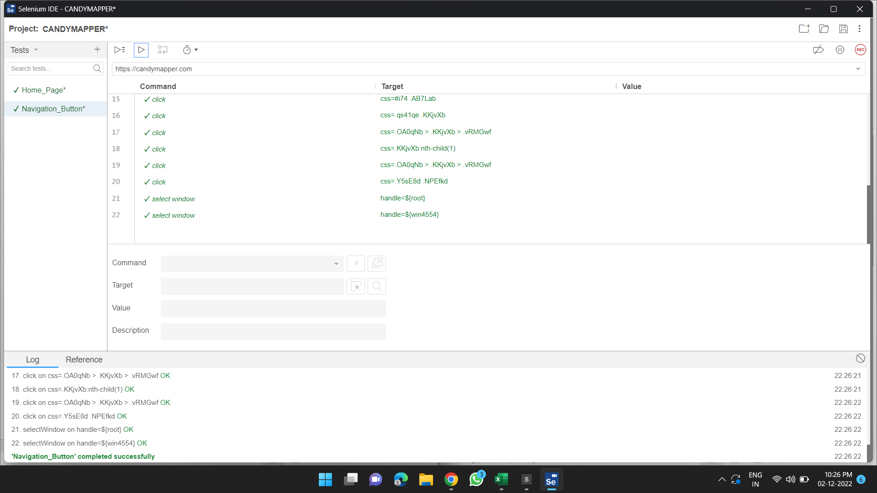

SL. NO. | TEST_CASE_ID | TEST CASE NAME | OBJECTIVE | PRE CONDITION | STEPS TO BE FOLLOWED | TEST DATA | EXPECTED RESULT | ACTUAL RESULT | STATUS PASS/FAIL
3 | Case_003 | Social Media Icons | After click Social Media Icons then Social Media open or Not | Browser, Internet, Website must be working condition | 1. Open website 2. Then click on Social Media Icons. | https://www.youtube.com/PaulGrossmanTheDarkArtsWizard | It must open the website and Social Media Page. | As per expected result | Pass
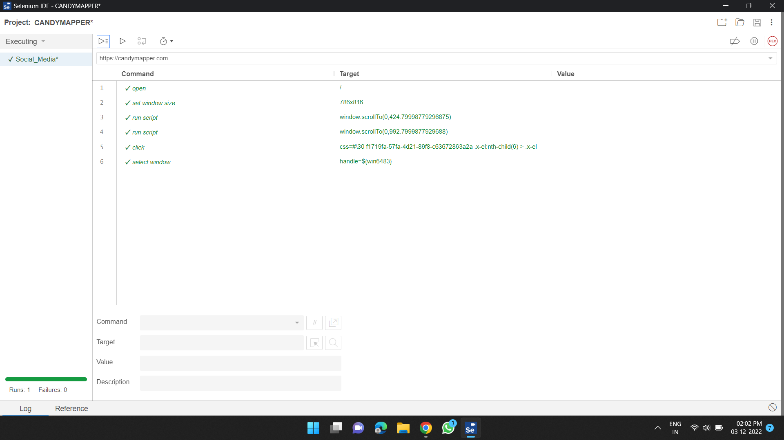

SL. NO. | TEST_CASE_ID | TEST CASE NAME | OBJECTIVE | PRE CONDITION | STEPS TO BE FOLLOWED | TEST DATA | EXPECTED RESULT | ACTUAL RESULT | STATUS PASS/FAIL
4 | Case_004 | Check CLICK ME BUTTON | After click GET IN TOUCH button then click me button open or Not | Browser, Internet, Website must be working condition | 1. Open website 2. Then click on GET IN TOUCH BUTTON 3. After click on "CLICK ME" Button | https://candymapper.com/you-might-be-a-robot | It must open the New page. | As per expected result | Pass
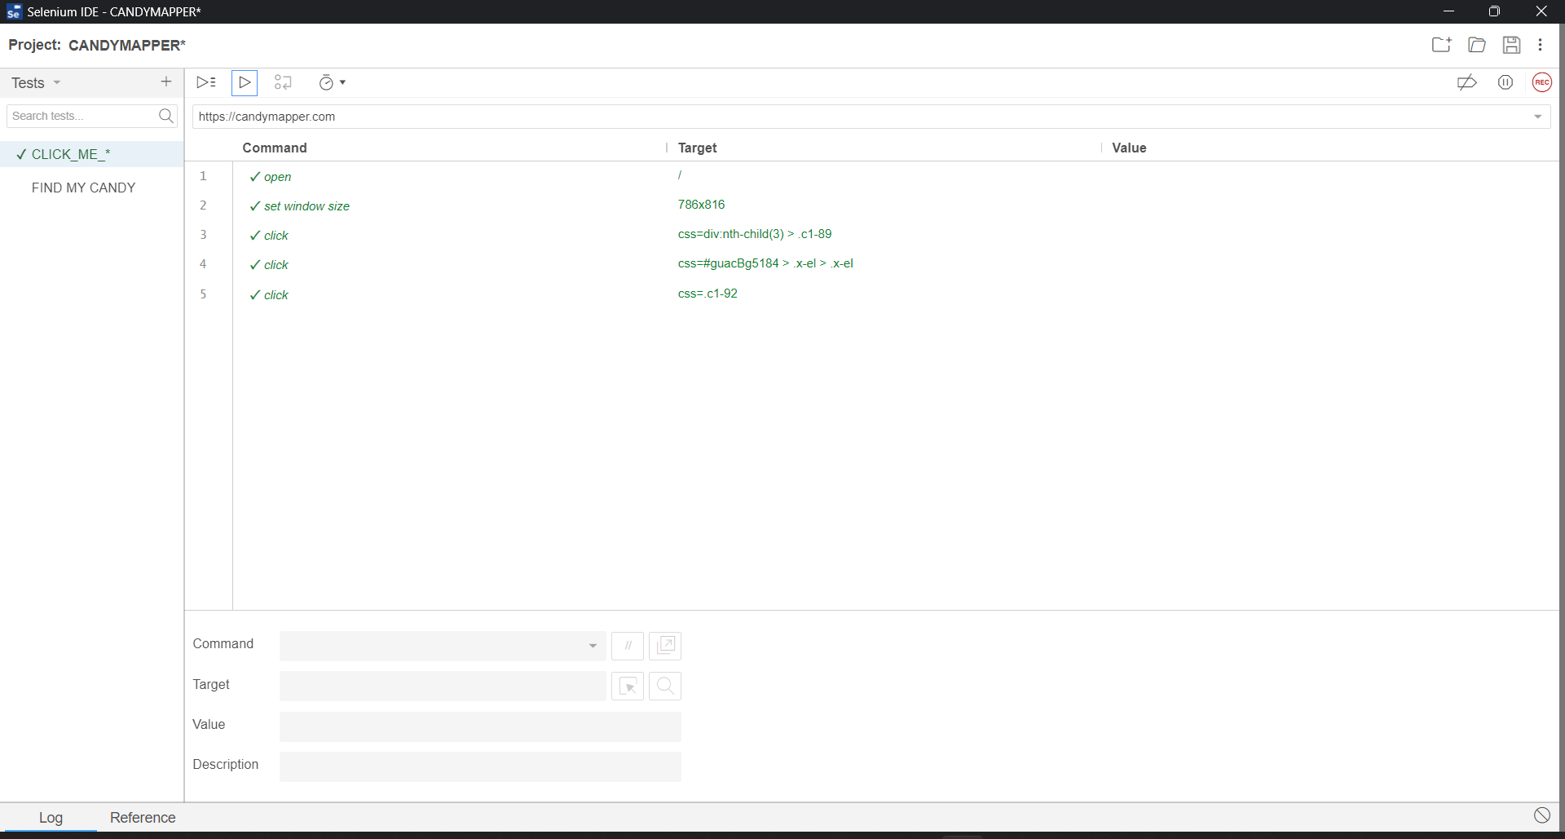

SL. NO. | TEST_CASE_ID | TEST CASE NAME | OBJECTIVE | PRE CONDITION | STEPS TO BE FOLLOWED | TEST DATA | EXPECTED RESULT | ACTUAL RESULT | STATUS PASS/FAIL
5 | Case_005 | CHECK FIND MY CANDY! | Open website and click on FIND MY CANDY, for get details open or not | Browser, Internet, Website must be working condition | 1. Open website 2. Then click on FIND MY CANDY Navigation button. | https://candymapper.com/find-my-candy | It must open the website and FIND MY CANDY PAGE | As per expected result | Pass

